Variable Cost v Profit
Variable Cost | Existing Scenario | With ERP | With ERP and CRM
0.15 | $55,995.23 | $55,296.90 | $66,670.51
0.2 | $50,993.64 | $49,842.71 | $60,366.57
0.25 | $45,992.05 | $44,388.51 | $54,062.62
0.3 | $40,990.45 | $38,934.32 | $47,758.67
0.35 | $35,988.86 | $33,480.13 | $41,454.73
0.4 | $30,987.27 | $28,025.94 | $35,150.78
0.45 | $25,985.68 | $22,571.75 | $28,846.84
0.5 | $20,984.09 | $17,117.56 | $22,542.89
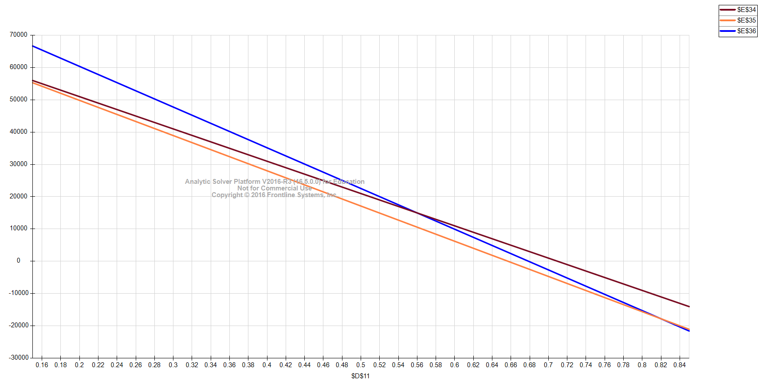
0.55 | $15,982.50 | $11,663.36 | $16,238.95
0.6 | $10,980.91 | $6,209.17 | $9,935.00
0.65 | $5,979.32 | $754.98 | $3,631.05
0.7 | $977.73 | ($4,699.21) | ($2,672.89)
0.75 | ($4,023.86) | ($10,153.40) | ($8,976.84)
0.8 | ($9,025.45) | ($15,607.59) | ($15,280.78)
0.85 | ($14,027.05) | ($21,061.79) | ($21,584.73)

Growth in Rev Pcnt for ERP
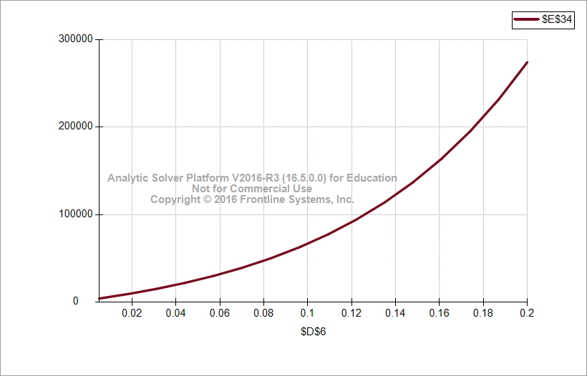
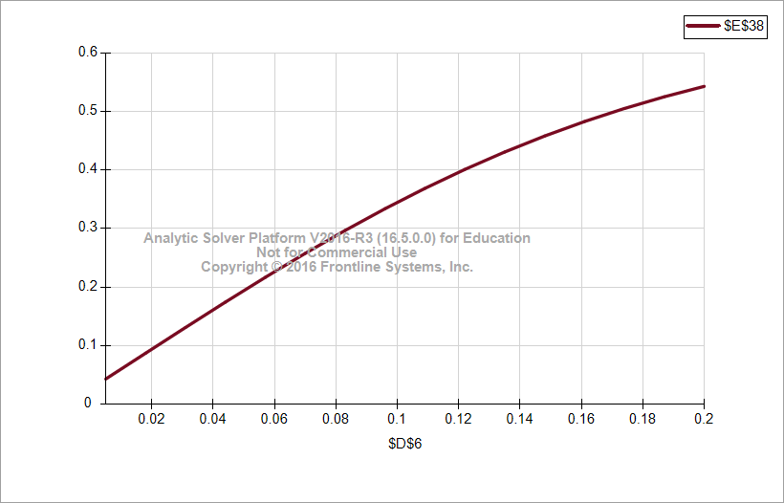
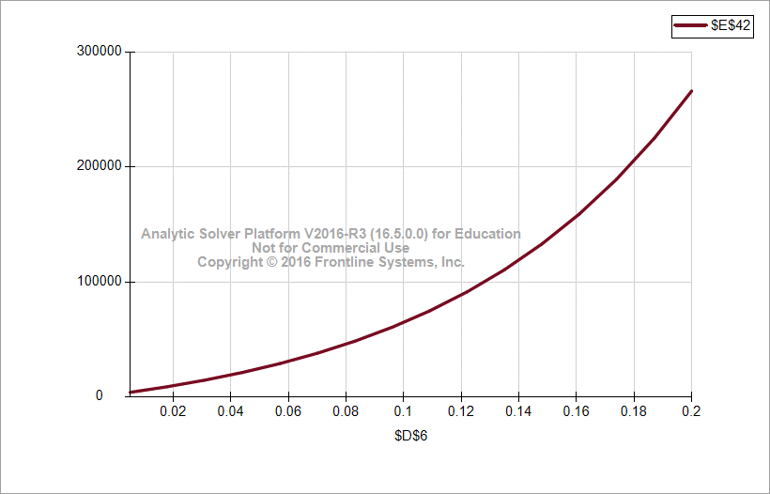
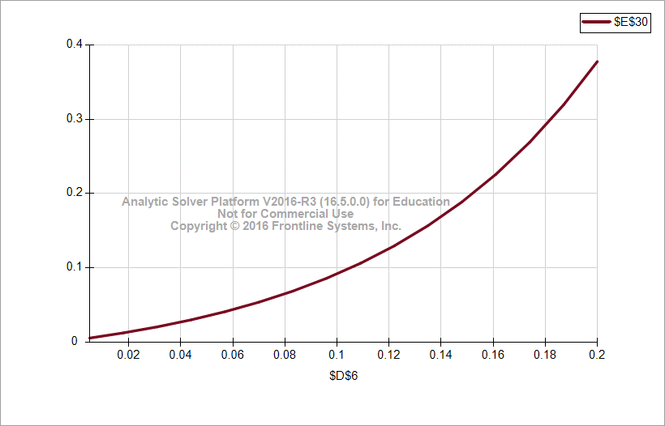
Growth in Revenue | Profit with ERP | ROI with ERP | NPV with ERP | Rate of Return with ERP
0.005 | $4,347.57 | 4.35% | $4,220.94 | 0.6%
0.018 | $9,417.76 | 8.75% | $9,143.45 | 1.3%
0.031 | $15,302.19 | 13.14% | $14,856.50 | 2.1%
0.044 | $22,138.16 | 17.47% | $21,493.36 | 3.0%
0.057 | $30,085.83 | 21.69% | $29,209.54 | 4.1%
0.07 | $39,331.93 | 25.78% | $38,186.34 | 5.4%
0.083 | $50,093.97 | 29.69% | $48,634.92 | 6.9%
0.096 | $62,625.08 | 33.40% | $60,801.05 | 8.6%
0.109 | $77,219.60 | 36.87% | $74,970.48 | 10.6%
0.122 | $94,219.44 | 40.10% | $91,475.19 | 13.0%
0.135 | $114,021.46 | 43.08% | $110,700.44 | 15.7%
0.148 | $137,085.76 | 45.80% | $133,092.98 | 18.9%
0.161 | $163,945.36 | 48.27% | $159,170.25 | 22.6%
0.174 | $195,217.02 | 50.50% | $189,531.09 | 26.9%
0.187 | $231,613.80 | 52.50% | $224,867.77 | 31.9%
0.2 | $273,959.21 | 54.28% | $265,979.81 | 37.7%

Growth in Rev Pcnt for ERPCRM
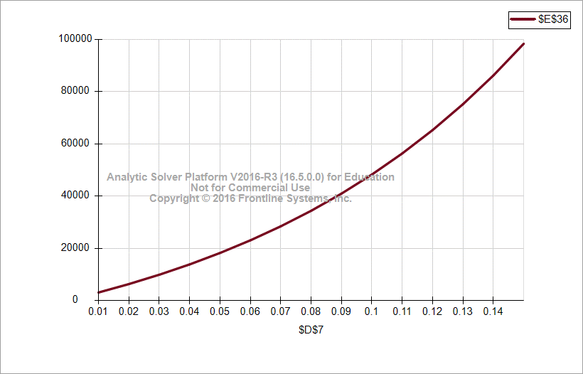
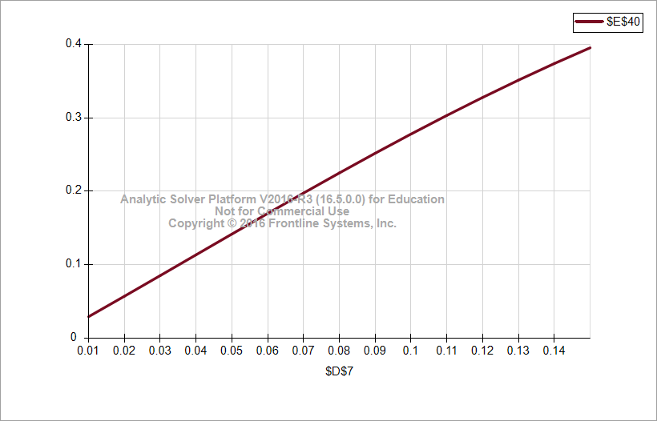
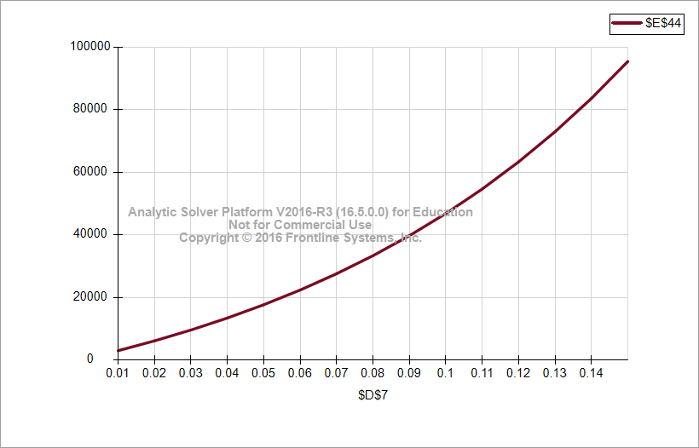
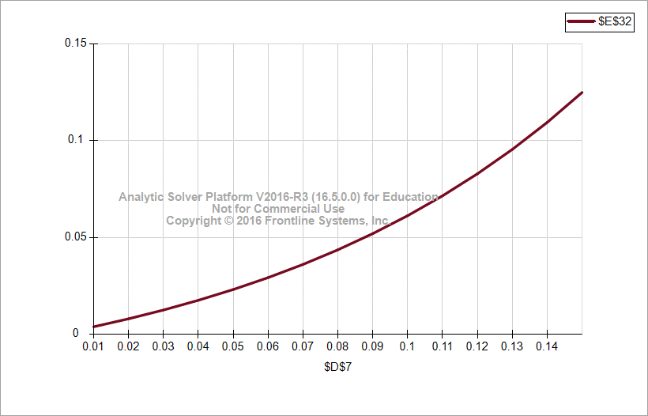
Growth in Revenue | Profit with ERP and CRM | ROI with ERP and CRM | NPV with ERP and CRM | Rate of Return with ERP and CRM
0.01 | $3,142.80 | 3.0% | $3,051.26 | 0.4%
0.02 | $6,368.43 | 5.8% | $6,182.94 | 0.8%
0.03 | $9,936.45 | 8.6% | $9,647.04 | 1.3%
0.04 | $13,884.65 | 11.4% | $13,480.24 | 1.8%
0.05 | $18,254.86 | 14.2% | $17,723.16 | 2.3%
0.06 | $23,093.45 | 17.0% | $22,420.82 | 2.9%
0.07 | $28,451.73 | 19.8% | $27,623.04 | 3.6%
0.08 | $34,386.50 | 22.5% | $33,384.95 | 4.4%
0.09 | $40,960.58 | 25.2% | $39,767.55 | 5.2%
0.1 | $48,243.40 | 27.8% | $46,838.25 | 6.1%
0.11 | $56,311.69 | 30.3% | $54,671.54 | 7.2%
0.12 | $65,250.19 | 32.8% | $63,349.69 | 8.3%
0.13 | $75,152.43 | 35.1% | $72,963.52 | 9.5%
0.14 | $86,121.61 | 37.4% | $83,613.22 | 10.9%
0.15 | $98,271.53 | 39.5% | $95,409.25 | 12.5%

Variable Cost v ARR
Variable Cost | Rate of Return with ERP | Rate of Return with ERP and CRM
0.15 | 7.6% | 8.5%
0.2 | 6.9% | 7.7%
0.25 | 6.1% | 6.9%
0.3 | 5.4% | 6.1%
0.35 | 4.6% | 5.3%
0.4 | 3.9% | 4.5%
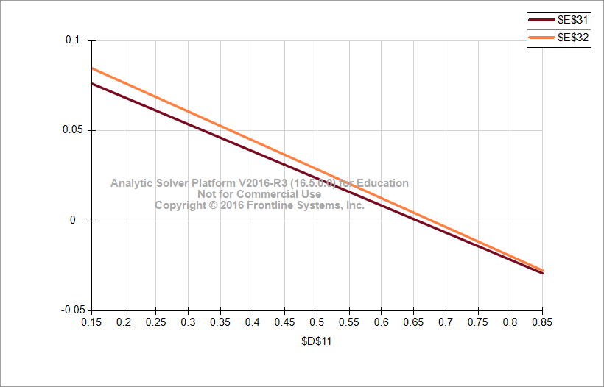
0.45 | 3.1% | 3.7%
0.5 | 2.4% | 2.9%
0.55 | 1.6% | 2.1%
0.6 | 0.9% | 1.3%
0.65 | 0.1% | 0.5%
0.7 | -0.6% | -0.3%
0.75 | -1.4% | -1.1%
0.8 | -2.1% | -1.9%
0.85 | -2.9% | -2.7%

Two Way ARR with ERP
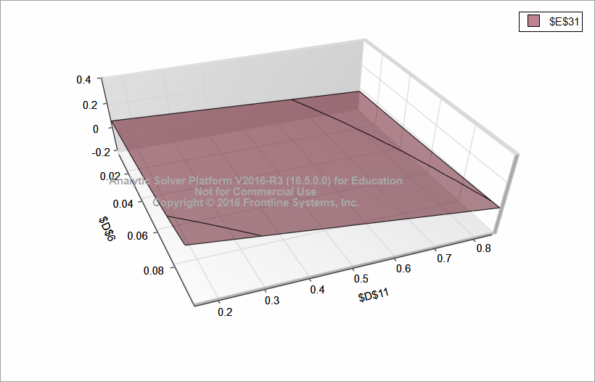
Rate of Return with ERP | Variable Cost %
Revenue Growth | 0.15 | 0.22 | 0.29 | 0.36 | 0.43 | 0.5 | 0.57 | 0.64 | 0.71 | 0.78 | 0.85
0.005 | 7.1% | 6.1% | 5.1% | 4.1% | 3.0% | 2.0% | 1.0% | 0.0% | -1.0% | -2.0% | -3.0%
0.0145 | 8.1% | 7.0% | 5.9% | 4.9% | 3.8% | 2.7% | 1.6% | 0.5% | -0.6% | -1.7% | -2.8%
0.024 | 9.3% | 8.1% | 6.9% | 5.7% | 4.6% | 3.4% | 2.2% | 1.0% | -0.2% | -1.4% | -2.6%
0.0335 | 10.6% | 9.3% | 8.0% | 6.7% | 5.4% | 4.1% | 2.8% | 1.5% | 0.2% | -1.1% | -2.4%
0.043 | 12.1% | 10.7% | 9.3% | 7.8% | 6.4% | 5.0% | 3.6% | 2.2% | 0.7% | -0.7% | -2.1%
0.0525 | 13.8% | 12.2% | 10.6% | 9.1% | 7.5% | 6.0% | 4.4% | 2.9% | 1.3% | -0.3% | -1.8%
0.062 | 15.6% | 13.9% | 12.2% | 10.5% | 8.8% | 7.1% | 5.3% | 3.6% | 1.9% | 0.2% | -1.5%
0.0715 | 17.7% | 15.8% | 13.9% | 12.0% | 10.1% | 8.3% | 6.4% | 4.5% | 2.6% | 0.7% | -1.1%
0.081 | 20.0% | 17.9% | 15.8% | 13.7% | 11.7% | 9.6% | 7.5% | 5.5% | 3.4% | 1.3% | -0.7%
0.0905 | 22.5% | 20.2% | 18.0% | 15.7% | 13.4% | 11.1% | 8.8% | 6.6% | 4.3% | 2.0% | -0.3%
0.1 | 25.4% | 22.9% | 20.4% | 17.8% | 15.3% | 12.8% | 10.3% | 7.8% | 5.3% | 2.7% | 0.2%

Two Way ARR with ERPCRM
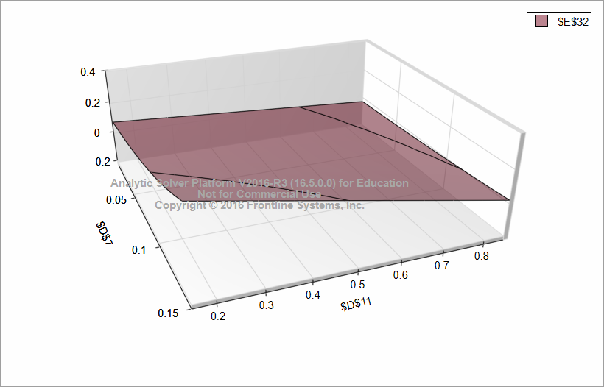
Rate of Return with ERP and CRM | Variable Cost %
Revenue Growth | 0.15 | 0.22 | 0.29 | 0.36 | 0.43 | 0.5 | 0.57 | 0.64 | 0.71 | 0.78 | 0.85
0.01 | 7.5% | 6.5% | 5.4% | 4.4% | 3.4% | 2.3% | 1.3% | 0.2% | -0.8% | -1.9% | -2.9%
0.024 | 8.9% | 7.7% | 6.6% | 5.4% | 4.3% | 3.1% | 2.0% | 0.8% | -0.4% | -1.5% | -2.7%
0.038 | 10.4% | 9.2% | 7.9% | 6.6% | 5.3% | 4.0% | 2.7% | 1.5% | 0.2% | -1.1% | -2.4%
0.052 | 12.2% | 10.8% | 9.4% | 7.9% | 6.5% | 5.1% | 3.6% | 2.2% | 0.8% | -0.6% | -2.1%
0.066 | 14.3% | 12.7% | 11.1% | 9.5% | 7.9% | 6.3% | 4.7% | 3.1% | 1.5% | -0.1% | -1.7%
0.08 | 16.7% | 14.9% | 13.1% | 11.3% | 9.5% | 7.7% | 5.9% | 4.1% | 2.3% | 0.5% | -1.3%
0.094 | 19.4% | 17.4% | 15.4% | 13.4% | 11.3% | 9.3% | 7.3% | 5.3% | 3.2% | 1.2% | -0.8%
0.108 | 22.6% | 20.3% | 18.1% | 15.8% | 13.5% | 11.2% | 8.9% | 6.6% | 4.3% | 2.0% | -0.2%
0.122 | 26.3% | 23.7% | 21.1% | 18.5% | 15.9% | 13.3% | 10.8% | 8.2% | 5.6% | 3.0% | 0.4%
0.136 | 30.5% | 27.6% | 24.7% | 21.7% | 18.8% | 15.8% | 12.9% | 10.0% | 7.0% | 4.1% | 1.1%
0.15 | 35.4% | 32.1% | 28.7% | 25.4% | 22.1% | 18.7% | 15.4% | 12.0% | 8.7% | 5.3% | 2.0%

Simulation ARR ERP
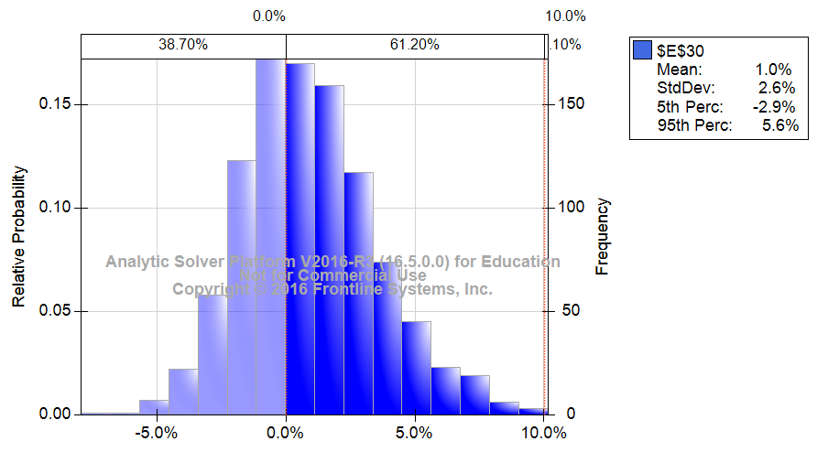

Simulation ARR ERPCRM
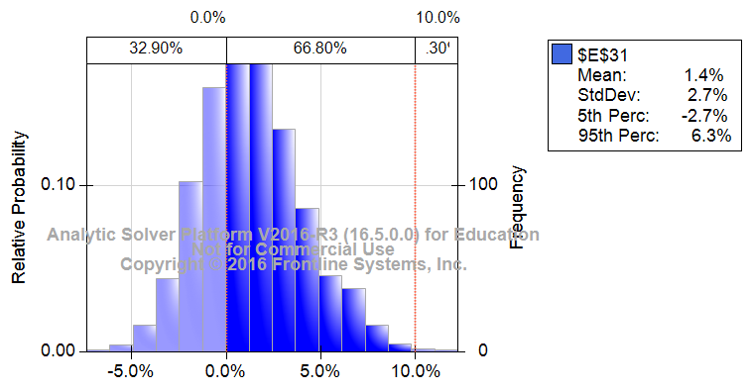

Simulation Profit ERP
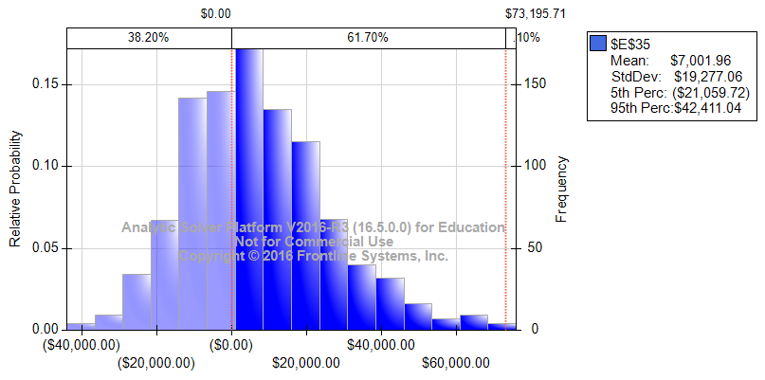

Simulation Profit ERPCRM
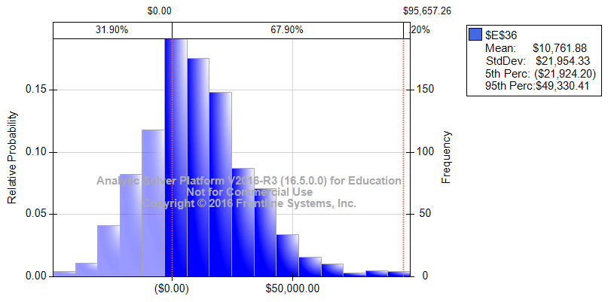

Simulation ROI ERP
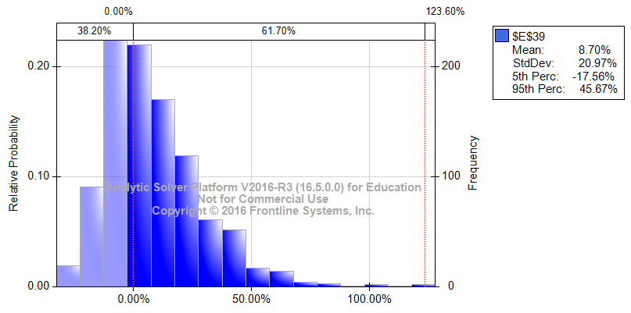

Simulation ROI ERPCRM
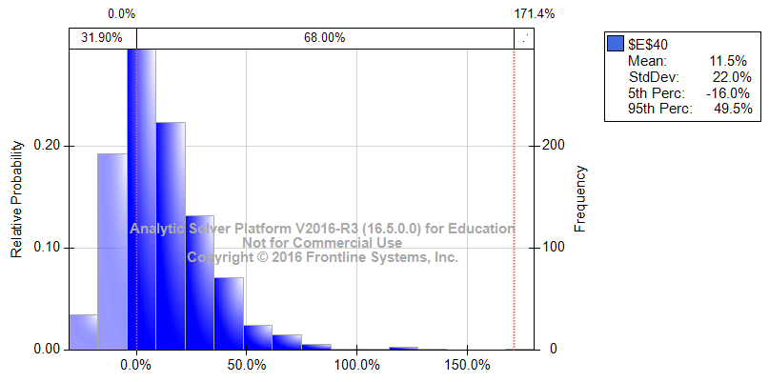

Simulation NPV ERP


Simulation NPV ERPCRM


